Sheet1
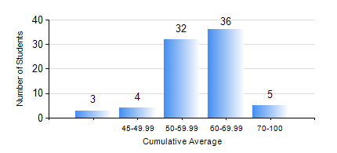
 |  |  | KWAME NKRUMAH UNIVERSITY OF SCIENCE AND TECHNOLOGY, KUMASI Department of Materials Engineering

 |  |  | BSC. METALLURGICAL ENG.

 |  |  | COMPREHENSIVE RECORD OF EXAMINATION RESULTS

 |  |  | RESULTS OF YEAR 4 SECOND SEMESTER, 2020/2021 ACADEMIC YEAR

 | Sn | Course Code |  | Course Name | Credit Hours | Min. Mark | Max. Mark | Avg. Mark | Std. Dev. | No. Passed | No. Trailed | No. (Df) | No. (I) | No. (I*) | No. Tagged(I,I*,Df) | Total
 | 0. |  |  |  |  |  |  | 0 | 0 | 0 | 0 | 0 | 0 | 0 | 0 | 1
 | 1. | CHE 452 |  | PROCESS CONTROL/SIMULATION | 4 | 23 | 67 | 49 | 7.43 | 75 | 4 | 0 | 0 | 0 | 0 | 79
 | 2. | ME 492 |  | MANAGEMENT AND ENTREPRENEURSHIP DEVELOPMENT | 2 | 30 | 73 | 54 | 8.5 | 75 | 4 | 0 | 0 | 0 | 0 | 79
 | 3. | METE 358 |  | METALLURGICAL ENGINEERING LABORATORY II | 2 | 40 | 40 | 40 | 0 | 2 | 0 | 0 | 0 | 0 | 0 | 2
 | 4. | METE 452 |  | ELECTROMETALLURGY | 3 | 34 | 81 | 59 | 10.63 | 77 | 2 | 0 | 0 | 0 | 0 | 79
 | 5. | METE 498 |  | PROJECT II | 3 | 51 | 82 | 72 | 7.56 | 79 | 0 | 0 | 0 | 0 | 0 | 79
 | 6. | MSE 354 |  | PHYSICAL METALLURGY OF FERROUS METALS | 2 | 50 | 50 | 50 | 0 | 1 | 0 | 0 | 0 | 0 | 0 | 1
 | 7. | MSE 452 |  | WASTE MANAGEMENT | 3 | 30 | 73 | 53 | 9.62 | 74 | 5 | 0 | 0 | 0 | 0 | 79
 | 8. | MSE 456 |  | MATERIALS QUALITY CONTROL, ASSURRANCE AND SELECTION | 3 | 42 | 77 | 63 | 7.61 | 77 | 0 | 2 | 0 | 0 | 2 | 79

